Sheet1
Re: Utensil and Equipment Requisition
Date: 7 Oct 2023

Item | Illustration | Purpose | Quantity | Price | Remarks | Total Price
Bestank - 1200 L Capacity | 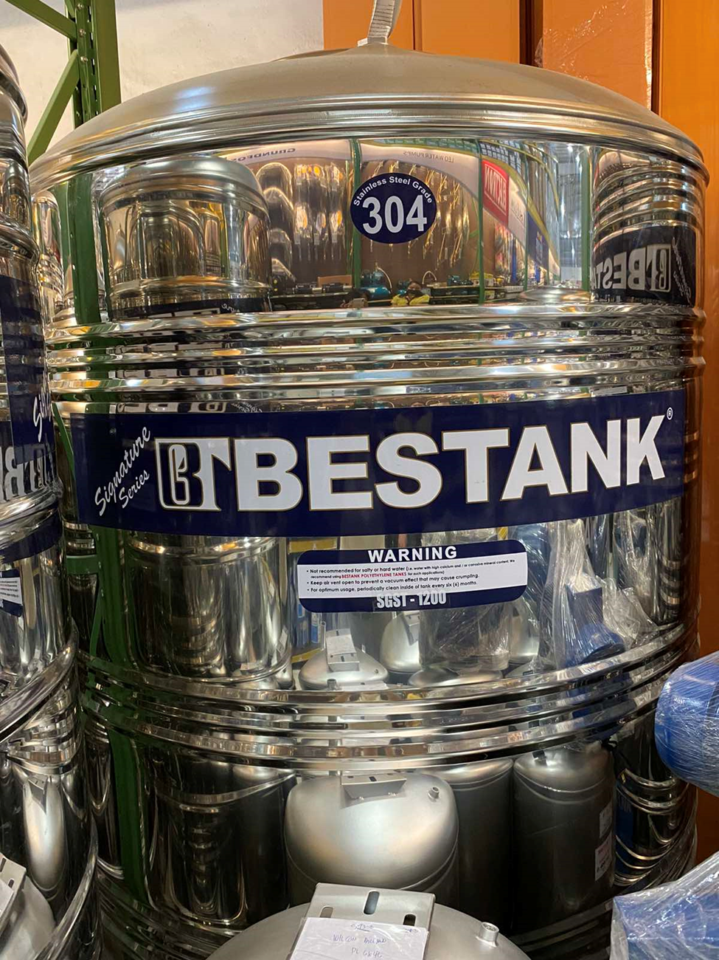 | For water storage since Maynilad have a lot of water interruptions. | 1 | 24,300.00 | -Will buy at Wilcon Molino Blvd. with Delivery Fee | ₱24,300.00
Hand dryer | 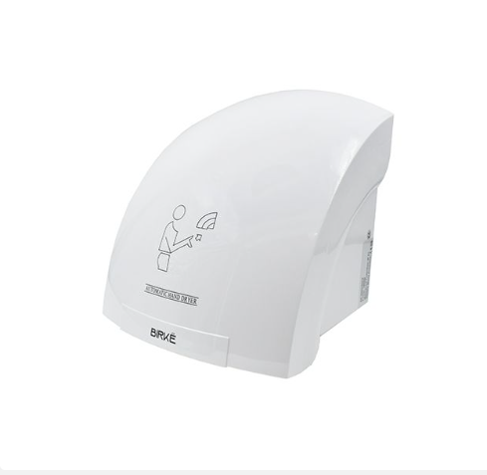 | For Handwashing area in the production instead of buying Paper Towels | 2 | 3,328.00 | -Will buy at Wilcon Molino Blvd. with Delivery Fee | ₱6,656.00
P.Tech Aluminum Double Side Step Ladder | 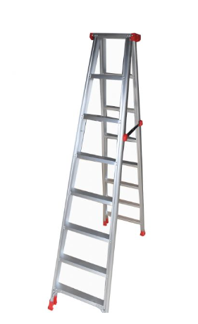 | For repairing high areas like ceilings etc | 1 | 5,220.00 | -Will buy at Wilcon Molino Blvd. with Delivery Fee | ₱5,220.00
 |  |  |  |  | Delivery Fee | ₱500.00
6 Seater Conference Table and Chairs |  | Larger table on the conference room | 1
Rod |  | To minimize echoing in the conference room | 6 | 250.00 |  | 1,500.00
Curtains |  |  | 6 | 600.00 |  | 3,600.00
Office Table | 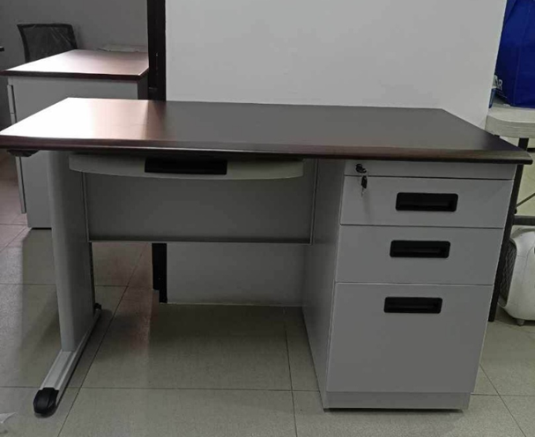 | Additional Table for Sir Marlon and new hire for Bookeeper / Accounting | 2 | 6,500.00 |  | 13,000.00
Rack | 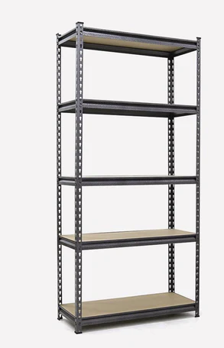 | Racking to organize : - Admin Stock room - Equipment in Production Area | 2 | 2,999.00 | Ace Hardware | 5,998.00
Chlorinex | 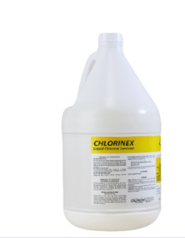 | For Sanitizing Production Equipment | 4 | 250.00 | To Purchased Thru Shopee | 1,000.00
 |  | Delivery Fee |  | 160.00
Linol |  | For Production Cleaning | 3 | 356.00 | To Purchased Thru Shopee | 1,068.00
 |  | Delivery Fee |  | 160.00 |  | 160.00
Bunny Suit | 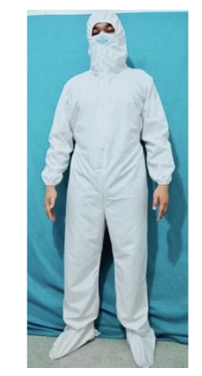 | For mixing area personnel (2) and batcher in the warehouse (1) | 3 | 270.00 |  | 810.00
 |  | Delivery Fee |  |  |  | 45.00

 |  |  |  |  |  | ₱63,857.00

